Cd Calculator
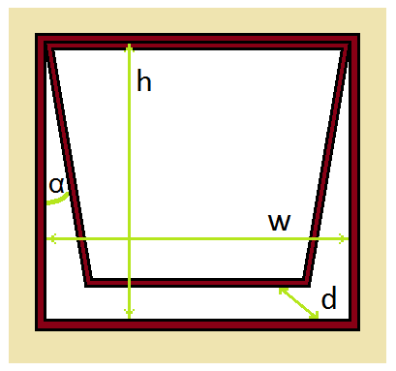
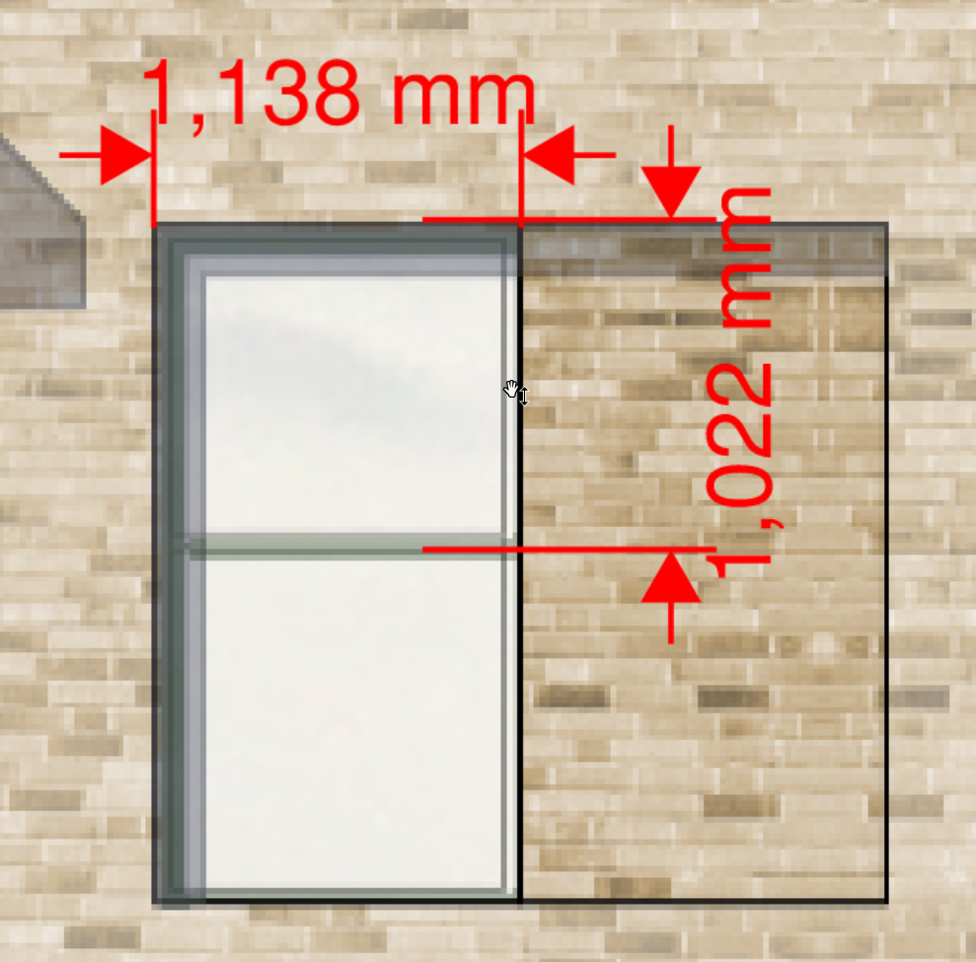
WINDOW DISCHARGE COEFFICIENT CALCULATOR | Input |  |  | INSTRUCTIONS
Structural opening width (IES) | 1.138
Structual opening height (IES) | 1.022
Window width, w | 1.018 | m | 1 | Use to diagram (right) to define the height, width, and opening angle of your window.
Window height, h | 0.902 | m | 2 | Enter the lengths and angle into the calculator using the yellow boxes.
Opening angle, α | 90 | ⁰ | 3 | For sash windows, set α=90⁰.
Length ratio, b/h | 1.1286031042 | -
Gradient, M | 0.040 | -
Maximum Discharge Coefficient, Cdmax | 0.562 | -
Stroke length, d | 1.276 | m | 4 | Use an appropriate area and a discharge coefficient, where required, in your models.
Orifice Discharge Coefficient, Cd0 | 0.62 | -
Equivalent area, Aeq | 0.811 | m2 |  | MODEL CAVEATS
Effective area, Aeff | 0.503 | m2 | 1 | This is a general model for hinged windows.
Free area, Afree | 0.918 | m2 | 2 | The model does not use academic data and only gives an indication of appropriate values.
Discharge coefficient, Cd | 0.55 | - | 3 | All values are used at the users own risk.
Structural opening area | 1.163036 | m2 | 4 | The model assumes the wind is normal to a wall in the horizontal and vertical planes.
Openable Area % (IES input) | 70% |  | 5 | The model does not account for any type of reveal.
 |  |  | 6 | When α<10⁰ the Aeff (and Cd, therefore) is extrapolated and so is not based on empirical data.
 |  |  | 7 | When α<10⁰ the Aeff (and Cd, therefore) may not be constant when pressure differences
 |  |  |  | across the window are small.

